Varible Descriptions
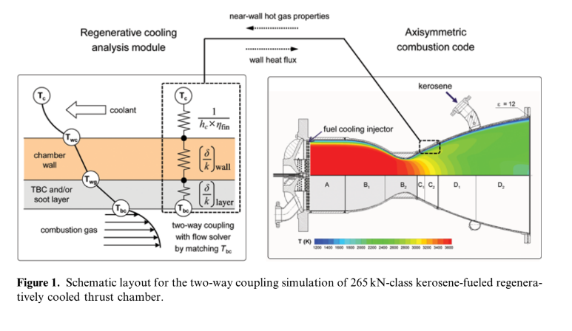
Major Variables | [units] | Formula | Dependencies | Threshold?
Thrust
Pressure
OF Ratio
Isp
Coolant Mass Flow
Heat Flux |  |  |  | Throat Max
Instant. Radius
Circumference
Material Melting Temp | K | 1300 | Copper | Y
Material Safe Operating Temp | K | 900
Hoop Stress
Structural Backing |  |  | Temp
Max Operating Temp |  |  |  | Y, Include Safety Factor
Fin Thickness |  |  |  | Y, manuf.
Channel Width (gap betwn fins)
Channel Height
Sleeve Fluid Resistance |  |  |  | Y; tank/fs MAWP
Cooling Channel Nusselt Number |  | Nu=(h_c)*(d_h)/(k_c)=0.021*Re^(0.8)*Pr_c^(0.43)*Beta
Beta |  | Beta = (Pr_c/Pr_wc)^0.25
h_chamber | [W/(m2K)] | h_c = 0.021*(k/d_h)*(rho_c*V*d_h/u_c)^0.8*(u_c*cp_c/kc)^0.43*B
eta_fin
h_eff |  | h_eff=h_c*eta_fin
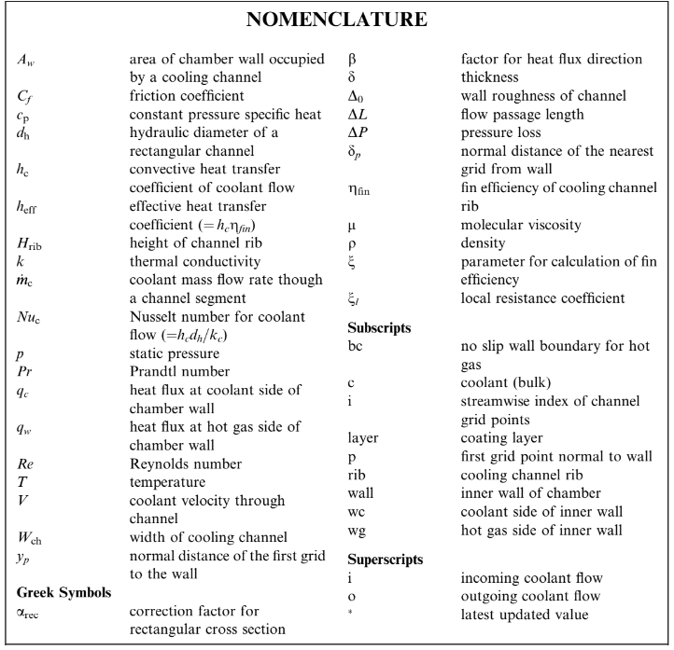
Resistances

Computation IO
Chamber | Axis-Driven | Constants | [units] | OUTPUTS
 | T_chamber | mdot_cool |  | Fluid Temp at Injector
 | R_chamber | H_channel |  | Total Heat Removed
 | h_chamber | N_fins |  | Max Wall Temp
 | A_csset | D_chamber
 | Cp | D_throat
 | kg | dx
 | d_hyd | Emod_chamber
 | visc | f_frict
 | T_w_gas | eps_roughness
Coating | R_coat | g
 | T_wi | Isp
Wall | R_w | L_channelpath
 | T_wo (Tchannel) | eta_combustion
Channel | R_channel

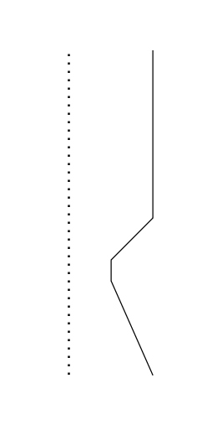
Thruster: | [mm]
Chamber Diam | 70
Chamber Length | 140
Chamber Temp (K) | 2600
Convergent Length | 35
Throat Diameter | 30
Approx Throat Length | 10
Throat Temp | 3300
Expansion Length | 60
Exit Diameter | 55
Exit Temp | 1500

